Original
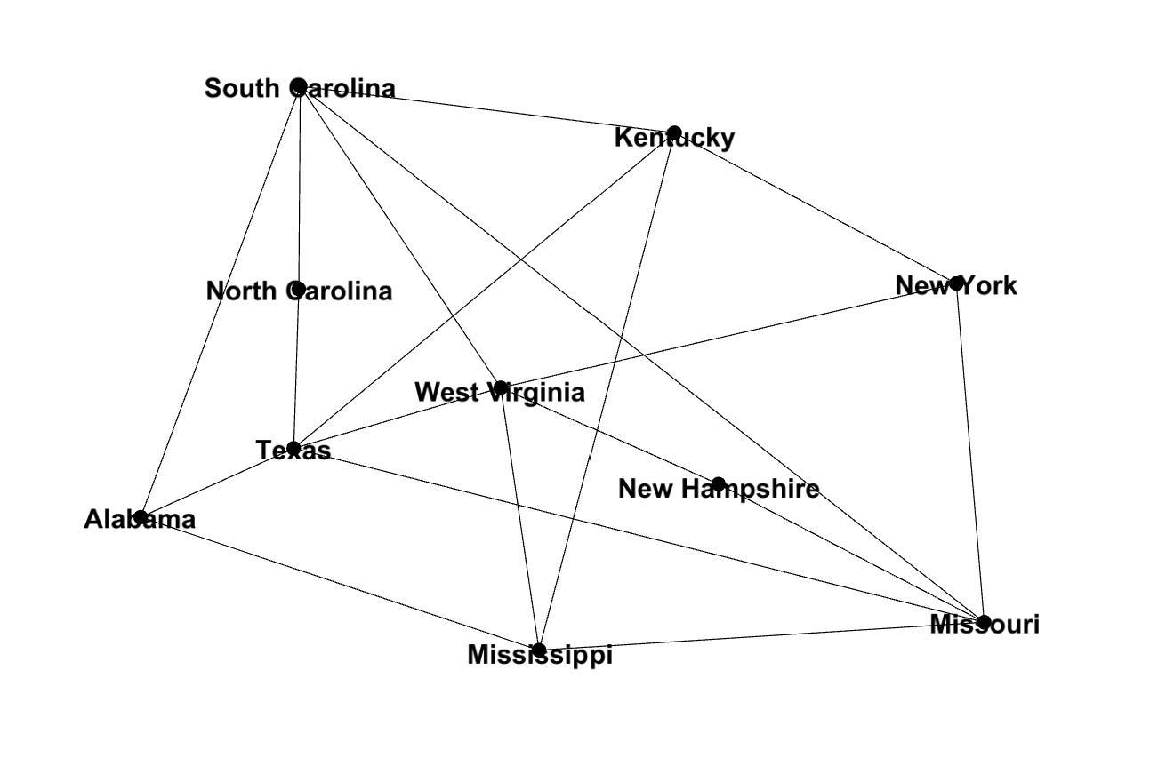
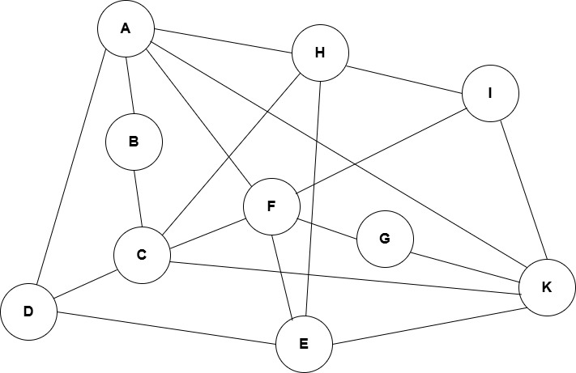
Source | Target | Weight
Kentucky | Texas | 9
Kentucky | Mississippi | 10 | Bảng viết tắt
Kentucky | New Hampshire | 7 | STT | Tên diễn viên | Kí hiệu đỉnh
Kentucky | New York | 7 | 1 | South Carolina | A
Kentucky | South Carolina | 9 | 2 | North Carolina | B
West Virginia | Texas | 8 | 3 | Texas | C
West Virginia | Mississippi | 9 | 4 | Alabama | D
West Virginia | New Hampshire | 9 | 5 | Mississippi | E
West Virginia | New York | 6 | 6 | West Virginia | F
West Virginia | South Carolina | 9 | 7 | New Hampshire | G
Missouri | Texas | 12 | 8 | Kentucky | H
Missouri | Mississippi | 10 | 9 | New York | I
Missouri | New Hampshire | 7 | 10 | Missouri | K
Missouri | New York | 11
Missouri | South Carolina | 11
Alabama | Texas | 8
Alabama | Mississippi | 7
Alabama | South Carolina | 8
North Carolina | Texas | 9
North Carolina | South Carolina | 11

